T3-BB
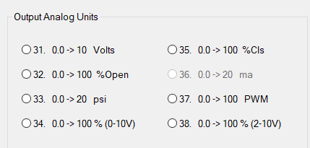
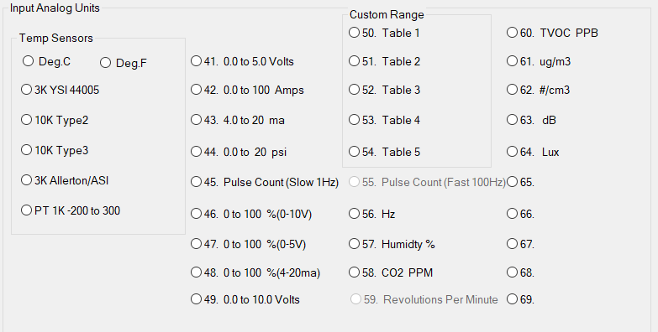
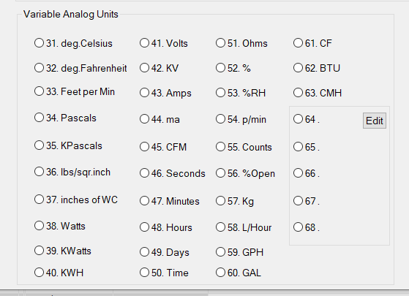
Controller | T3-BB Big Brother |  |  | Range
Total Channels | 56
Universal Input | 32
 | ANALOG_INPUT1 (IN1) | Select "Analog Units" or "No Units"for the corresponding Inputs | ANALOG_INPUT32 (IN32)
 | BINARY_INPUT1 (IN1) | Select "Digital Units" for the corresponding Inputs | BINARY_INPUT32 (IN32)
Relay Output | 12
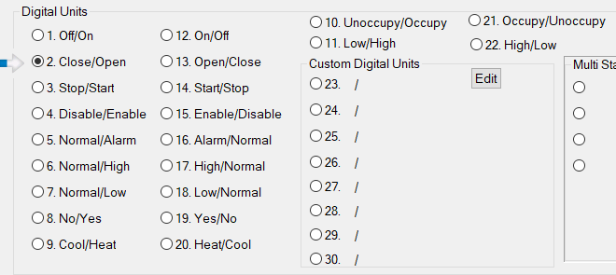
 | BINARY_OUTPUT1 (OUT1) | Select "Digital Units"for the corresponding Outputs | BINARY_OUTPUT12 (OUT12)
Analog Output | 12
 | ANALOG_OUTPUT13 (OUT13) | Select "Analog Units"for the corresponding Outputs | ANALOG_OUTPUT24 (OUT24)
Variable | 128
 | ANALOG_VALUE1 VAR1 | Select "Analog Units"for the corresponding VAR | ANALOG_VALUE128 VAR128
 | BINARY_VALUE1 VAR1 | Select "Digital Units"for the corresponding VAR | BINARY_VALUE128 VAR128

